Bug_Report
ProjectName | Khushi Tours and Travels Application
Document | Bug Report
Created By | Murali Manohar
Date of creation | 2024-09-11

Bug ID | Priority | Bug Description | Pre-condition | Steps to reproduce | Expected result | Actual result | Status | Test Executed By | Browser & OS | Screenshot
BR_KTTA_001 | High | User could select same date & time for both pickup &drop. Local taxi | 1.launch browser. 2.hit url: https://kushitravels.com/. | 1.open browser, enter url:https://kushitravels.com/. 2.Enter mandatory details. 3.click continue. | Should not allow to book, also display error messsage. | Able to book taxi. | Fail | Murali Manohar | Browser: Chrome. OS: Windows 11. | 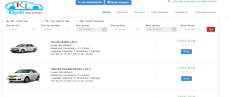
BR_KTTA_002 | High | Local taxi,No time limit for booking | 1.launch browser. 2.hit url: https://kushitravels.com/. | 1.open browser, enter url:https://kushitravels.com/. 2.Enter mandatory details. 3.click continue. | Should not allow to book more than a week in advance. | Allowed to book for a yera. | Fail | Murali Manohar | Browser: Chrome. OS: Windows 11. | 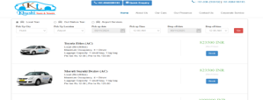
BR_KTTA_003 | High | Local taxi,User could not select the past time. | 1.launch browser. 2.hit url: https://kushitravels.com/. | 1.open browser, enter url:https://kushitravels.com/. 2.Enter mandatory details. 3.click continue. | Not allowed to select the past time. | Using dropdowns, we can select the past time. | Fail | Murali Manohar | Browser: Chrome. OS: Windows 11. | 
BR_KTTA_004 | High | User could select same date & time for both pickup &drop, for out station | 1.launch browser. 2.hit url: https://kushitravels.com/. | 1.open browser, enter url:https://kushitravels.com/. 2.Enter mandatory details. 3.click continue. | Should not allow to book, also display error messsage. | Able to book taxi. | Fail | Murali Manohar | Browser: Chrome. OS: Windows 11.
BR_KTTA_005 | High | outststaion taxi, should not be booked for year. | 1.launch browser. 2.hit url: https://kushitravels.com/. | 1.open browser, enter url:https://kushitravels.com/. 2.Enter mandatory details. 3.click continue. | User should be notified with allert message, saying can't book for long period. | Able to book taxi. | Fail | Murali Manohar | Browser: Chrome. OS: Windows 11. | 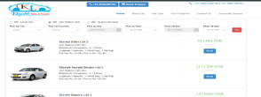
BR_KTTA_006 | High | Outstation taxi booking with same date but past time. | 1.launch browser. 2.hit url: https://kushitravels.com/. | 1.open browser, enter url:https://kushitravels.com/. 2.Enter mandatory details. 3.click continue. | It should block the time in the particular date, which was past. | No rescrutions to book taxi. | Fail | Murali Manohar | 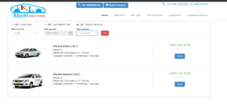 Browser: Chrome. OS: Windows 11.
BR_KTTA_007 | High | Airport taxi,User could select same date but past time pickup. | 1.launch browser. 2.hit url: https://kushitravels.com/. | 1.open browser, enter url:https://kushitravels.com/. 2.Enter mandatory details. 3.click continue. | Should not allow to book, also display error messsage. | Able to book taxi. | Fail | Murali Manohar | Browser: Chrome. OS: Windows 11. | 
BR_KTTA_008 | High | Airport taxi, limit the time for booking. | 1.launch browser. 2.hit url: https://kushitravels.com/. | 1.open browser, enter url:https://kushitravels.com/. 2.Enter mandatory details. 3.click continue. | should not allow to book in advance not exceeds a month. | Simply booked the taxi. | Fail | Murali Manohar | Browser: Chrome. OS: Windows 11. | 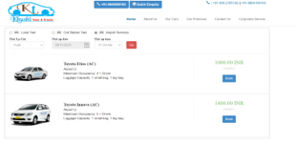
BR_KTTA_009 | High | airport taxi, one city was selectable. | 1.launch browser. 2.hit url: https://kushitravels.com/. | 1.open browser, enter url:https://kushitravels.com/. 2.Enter mandatory details. 3.click continue. | If multiple cities are there valid to have dropdowns. | One city was lsited, not selected as default. | Fail | Murali Manohar | Browser: Chrome. OS: Windows 11. | 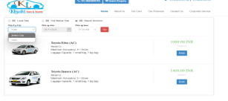
BR_KTTA_010 | Medium | Image of the car has to be clickable. "our cars" | 1.launch browser. 2.hit url: https://kushitravels.com/. | 1.open browser, enter url:https://kushitravels.com/. 2.click our cars. 3.click image of car. | It should be clickable, redirects to description page. | Not clcikable. | Fail | Murali Manohar | Browser: Chrome. OS: Windows 11. | 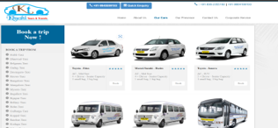
BR_KTTA_011 | Medium | Image of the car has to be clickable. "cars in booking" | 1.launch browser. 2.hit url: https://kushitravels.com/. 3.user selected ride & vehicles. | 1.open browser, enter url:https://kushitravels.com/. 2.click to book ride, then clcik search. 3.click image of car. | It should be clickable, redirects to description page. | Not clcikable. | Fail | Murali Manohar | Browser: Chrome. OS: Windows 11. | 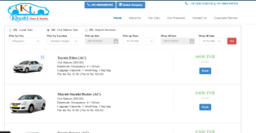
BR_KTTA_012 | Medium | Image of the car has to be clickable. "van in our cars" | 1.launch browser. 2.hit url: https://kushitravels.com/. 3.user selected ride & vehicles. | 1.open browser, enter url:https://kushitravels.com/. 2.click to book ride, then clcik search. 3.click image of car. | It should be clickable, redirects to description page. | Not clcikable. | Fail | Murali Manohar | 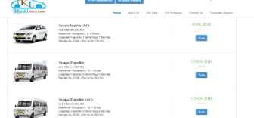 Browser: Chrome. OS: Windows 11.
BR_KTTA_013 | High | Should confirm the selected vehicle before payment. | 1.launch browser. 2.hit url: https://kushitravels.com/. 3.user selected ride & vehicles. | 1.open browser, enter url:https://kushitravels.com/. 2.Enter mandatory details. and click to book ride. 3.click continue. | Should confirm the user with a detailed summary of ride. | No display of ride details. | Fail | Murali Manohar | Browser: Chrome. OS: Windows 11. | Not applicable.
BR_KTTA_014 | High | Fare details fluctuates if user changes multiple cars | 1.launch browser. 2.hit url: https://kushitravels.com/. 3.user selected ride & vehicles. | 1.open browser, enter url:https://kushitravels.com/. 2.Enter mandatory details.3.book ride,before payment again go back and select diffeernt car. 3.click continue. | The fare should be for the selected vehicle with exact fare deatisl. | Able to book taxi, but fare are becomes vary. | Fail | Murali Manohar | 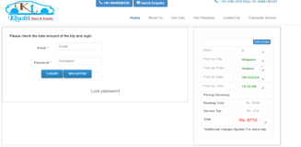 Browser: Chrome. OS: Windows 11.
BR_KTTA_015 | High | Fare details fluctuates if user changes multiple cars in using "Edit option" | 1.launch browser. 2.hit url: https://kushitravels.com/. 3.user selected ride & vehicles. | 1.open browser, enter url:https://kushitravels.com/. 2.Enter mandatory details.3.book ride,before payment again go back and select diffeernt car. 3.click continue. | The fare should be for the selected vehicle with exact fare deatisl. | Able to book taxi, but fare are becomes vary. | Fail | Murali Manohar | Browser: Chrome. OS: Windows 11. | 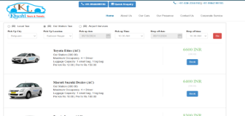
BR_KTTA_016 | High | If user pressed back button in browser after confirm ride, redirects to home page. | 1.launch browser. 2.hit url: https://kushitravels.com/. 3.user selected ride & vehicles. | 1.open browser, enter url:https://kushitravels.com/. 2.Enter mandatory details. 3.click back button. | Should redirect to vehicle selction page. | Redirected to home page. | Fail | Murali Manohar | 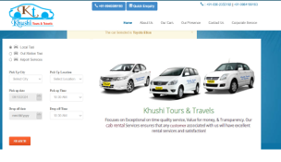 Browser: Chrome. OS: Windows 11.
BR_KTTA_017 | Medium | Mandatory field in register account should be included with * symbol. | 1.launch browser. 2.hit url: https://kushitravels.com/. | 1.open browser, enter url:https://kushitravels.com/. 2.Enter mandatory details to book ride by vehicle selection.3.enter details as per test dta to createa account. 4.click register. | Presence of * symbol near the text field boxes. | No presesnce of * symbol, also the fields are manadatotry. | Fail | Murali Manohar | Browser: Chrome. OS: Windows 11. | 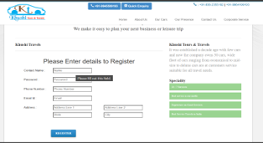
BR_KTTA_018 | High | after sucessfully registered, user should receive an confirmation mail. | 1.launch browser. 2.hit url: https://kushitravels.com/. | 1.open browser, enter url:https://kushitravels.com/. 2.Enter mandatory details to book ride by vehicle selection.3.enter details as per test dta to createa account. 4.click register. | An email with specified body has to be received by the user from the khushi travels. | Not received any email. | Fail | Murali Manohar | Browser: Chrome. OS: Windows 11. | Not applicable.
BR_KTTA_019 | Medium | During regsitration of account, password fiels are having no criteria. | 1.launch browser. 2.hit url: https://kushitravels.com/. | 1.open browser, enter url:https://kushitravels.com/. 2.Enter mandatory details to book ride by vehicle selection.3.enter details as per test dta to createa account. 4.click register. | Entering password, it should be mentioned the min & max and alphanumeric criteria for password. | No criteria mentioned, whatever we enter got accepted. | Fail | Murali Manohar | Browser: Chrome. OS: Windows 11. | 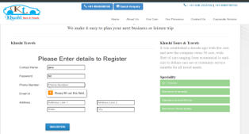
BR_KTTA_020 | High | Phone numberfield in account accepts alpha numeric. | 1.launch browser. 2.hit url: https://kushitravels.com/. | 1.open browser, enter url:https://kushitravels.com/. 2.Enter mandatory details to book ride by vehicle selection.3.enter details as per test dta to createa account. 4.click register. | Phone number field should accept 10 digit numbers only. | Accepting combination of alpha numeric. | Fail | Murali Manohar | Browser: Chrome. OS: Windows 11. | 